COMMUNICATIONS 📢
 | COMMUNICATION BOOK / NOTICES - Please initial once you have read SCROLL TO BOTTOM FOR MOST RECENT COMMUNICATION ⬇⬇ | Holly | Liz | Lucinda | Anouk | Stefania

31.03.22 | Update from Lance regarding Afterpay: "Newtown is set up for Afterpay now. Minimum $100 sale" | hg | eh |  |  | sr

06.05.22 | hey everyone just a gentle message regarding close: i really hate to say this but i spend a lot of time during open in the mornings adjusting the displays & the clothing racks to look presentable for the day. this should've really be done by the previous person during close for the night before. i understand close can be difficult, since our store is so big & especially if its been a busy day. at the very least please try & fingerspace the clothes (front, kids & sales) so they look neat & adjust product displays where you can -- esp when you're going around & turning off the shelf display lights. thanks! - Yue | hg

 | ALL Wooderful life issues from customers MUST be passed on to Lance. Every issue | hg |  |  |  | sr
 | with Wooderful Life music boxes must be solved by our team regardless of what the problem may be or when customer bought the box. | hg |  |  |  | sr

06.09.23 | !! Important message from Lance !! Please read: Hi Everyone, i have a mandatory change in direction. Previously, we agreed to not print out any terminal receipts (Zeller or CBA terminals).....as long as we saw ''approved'' on the terminal. Unfortunately, this has NOT worked. Over the last 4 weeks, we have had 4 separate incidents in 3 different stores where a customer was declined - yet we did not find out till later. We assumed that it was approved. On each occasion, the team member has agreed and volunteered to pay for the mistake. Whilst i appreciate you making up the money, i know this is not good for each of you, as you lose out. To fix this...i would like to change the way we do things. From today - immediately - i want each team member to print out each and every terminal receipt and too also circle the word ''approved'', with a pen. This is expected - is mandatory and will hopefully reduce the level of incidents. | hg | eh |  |  | sr

23.10.23 | Message from Lance: Hi Team, Please ensure you clear out all paperwork (by month), to me, and send it back to H/O. This is all bank receipts/end of day summaries, gift voucher details, staff purchases etc, and any other general communications that i should see. This should be done monthly. Paperwork needed for gift vouchers / staff purchases: 1. All staff purchases, which are approved, should have a copy of the invoice printed and placed in the paperwork for me, in separate bag called 'staff purchases'. 2. Any paper gift vouchers, which (old card ones), not sure if we will get of these again, moving to the new system...but just in case, if we do, then the 'card' should be retained by us and sent to H/O I have freed up an acrylic drawer under the EOD plastic bags for storing the staff purchases and gift voucher paperwork. | hg | eh |  |  | sr

10.06.24 | Hi everyone, I've noticed that I'm the only one adding to the stock discrepancies. Please make sure if you see that something is missing and the cin7 qty's don't match, to add these to the stock discrepancies tab so that it can be adjusted. There have been quite a few large items missing lately that would've been security tagged, it's most likely they have been stolen. So also just a reminder to pay attention to what customers are doing in the store. Greeting each customer, asking if they need assistance and constantly doing rounds of the store is a helpful way to deter thieves. Also if the security gates go off, please always try to investigate and ask to check customer's bags. This also ties in to what Liz has mentioned above. If security tags are left on clothing, the gates should be going off, so please check! Obvisouly this is difficult to do when it's busy or if you're with other customers but please try your best to be vigilant. Thanks guys!! - Holly | hg | eh - true yes the gates will go off - so check customers bags especially if they just brought something |  |  | sr

06.01.25 | Hi everyone, I found an $80 monsterthreads gift card for a customer (Natalia) that was sticking out from under the cash register. Does anyone know what the story is with this? I've checked the voucher on shopify and it's still active with no notes saying if any of it has been used. There is a receipt stapled to it, however I can't tell if these were products that were returned for a credit note or if they were purchased with the gift card, as either way it doesn't seem to add up to $80. I've placed it in the holds cupboard, so if anyone knows what happend can you please leave a note on here. Thanks Moving forward please make sure you are leaving notes on the gift vouchers in shopify if a portion has been used, or leave a note and deactivate if it's been used up entirely. Also please make sure when using a gift card for a transaction, that you are entering the gift voucher as a product on cin7 with the amount being used typed in as a negative amount, with the voucher code copy and pasted in the product description. It should look like this: | hg | eh |  |  | sr
 | 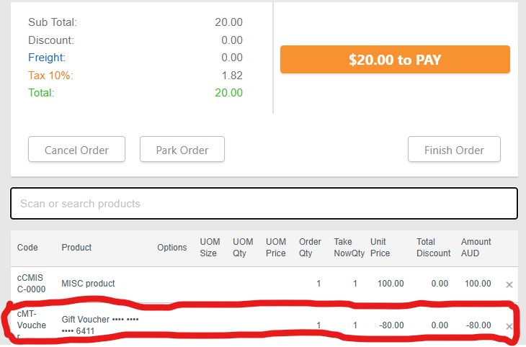 | hg | eh |  |  | sr

17.03.25 | !! Important info, please take the time to read through !! We have a new and improved loyalty system! We are no longer using Loyalty Dog, instead the point system is all through Shopify. So it should be super simple to use and easy now that it's all in the one place. To add points all you need to do is go to 'Customers' and search either their name, email or phone number. *if searching with a mobile number, you have to enter it in without the 0 at the start, as the mobile numbers are saved with the area code (+61). Click on the customers name and it will take you to their account, which now has a section with their loyalty points at the top. This is where we will either add or subtract points. Because we will be editing their total amount, please be careful when adjusting and use a calculator to make sure it's accurate. It's still the same point system where $1 = 1 point, when customers reach 100 points they get a $10 voucher. If a customer wants to redeem their points in store, simply - 100 off their total amount, enter in that new amount and then press save. Likewise when adding points, simply add X amount to their existing points, enter in that new amount then press save. This is where you should use a calculator to avoid mistakes. It does not do the calculation automatically. For the time being the benefits of being a Monster Club Member is just the point system. Mark is still working on it so there may be things to add in future like rewards for birthdays or a tiered system for consistant customers. For now though we are starting off simple. Thanks for reading through. If you have any questions or are confused please email Mark or you can ask here 😊✨ Mark has also sent an email to all of the stores about this, feel free to check that out as well. | hg | eh |  |  | sr

25.03.25 | Hi everyone, I've notcied quite a few times when I open in the mornings that there are a lot products missing from the shelves and haven't been restocked. Mostly the mugs and planters. Please try to remember to restock the shelves during your shift, this should be part of your closing routine as you are tidying the store, but also should be something you do throughout the day as well. You should all be aware by now which things come with a box and what we have spares of in the cupbaords. If you are still unsure, please familiarise yourself with the storage spaces and take a look at the product box guide, which I update regularly. If products aren't out, they won't sell, so it's really important to keep on top of it. Thanks! | hg | eh |  |  | sr
 | Also please don't unplug the security gate!! This is an important security measure to have! I know it's annoying to do but if something is triggering it you need to investigate what the cause is. If it's beeping randomly that means something in the window has the wrong security tag on or hasn't been deactivated. | hg | eh |  |  | sr

08.05.25 | Hi everyone, there has been a lot of theft in Newtown lately. I stopped two people from stealing products in one day the other week and a lot of things have gone missing, so this a reminder to make sure that you are doing all of the preventative measures to deter thieves. This means: - Always being aware of what customers are doing by regularly scanning the store when at the desk or doing tasks - Taking notice of and acknowledging customers when entering/exiting the store, making sure to greet/thank for visitng in a friendly and genuine way - Politely asking customers to show you their bags when the security gates go off - Try to not let chatty customers take up all of your attention. Sometimes customers are just very talkative, which is fine, however this is sometimes used as a tactic to purposefully distract you. So it's important to be mindful of this. - Regularly doing rounds of the store and neatening displays. This is a good way of seeing what customers are doing as well as keeping track of products. By doing this you'll notice when something is gone from the shelf, most of the time it's something that has been sold or a customer will be holding it in order to purchase. If you see a customer holding a product, make sure to take note. - It's important to be out on the floor regularly and not keep behind the desk, especially when it's busy. - Asking customers if they need assistance. Not only is this a way of being helpful and giving good customer service, but it's another good way of showing that you're paying attention. If a customer seems suspicious, it's important to do this and keep a close eye on them. With all of that said, your safety is the highest priority!! Please do not confront suspicious customers if you are uncomfortable or if they seem potentially dangerous. Doing these preventative measures as best as possible and deterring while remaining friendly and polite is the best and safest option. Please initial with this emoji 🌞to show that | 🌞 | eh | 🌞 |  | sr

01.07.25 | Hey gang! I've done some tidying / reorganising of all the boxes in our storage cupboards to try and make it easier to find the right box for things 😊 I've also updated the product box guide, which if you're unaware is a tab in this daily file. An important task I'd like everyone to do: Please take some time to look through the box guide and have a good look around all of the storage areas. Get familiar with the location of things, what boxes we keep and extra products we keep stored. Be detailed! Check out all of the little plastic drawers behind the counter! When you're on shift, you're in charge of the place, so it's really important to get to know the shop inside out 😄👍👍 Leave a little comment if you discovered somewhere new haha Feel free as well to organise/tidy things if you think there's a better way it can be done. Taking initiative and being pro-active with things like this is always super appreciated! 💖 You're all doing a really great job already 🙏 and we all keep the place pretty well organised and restocked. Lets keep up the good work and go beyond to make things extra functional come Christmas. Also if you ever have any ideas or suggestions of improvements to make or anything really, I'd love to hear it 😊 | hg | eh | lm |  | sr

22.09.25 | Hi everyone, really great to see all of the clothing neatly finger spaced on the racks when I open in the mornings! 😊 Just a note for improvement - please make sure it's neatly spaced all the way across the rack so it looks nice and full and you're not exposing blank, unnatractive floor/wall space. As shown below: | hg | eh | lm | ap | sr
 | 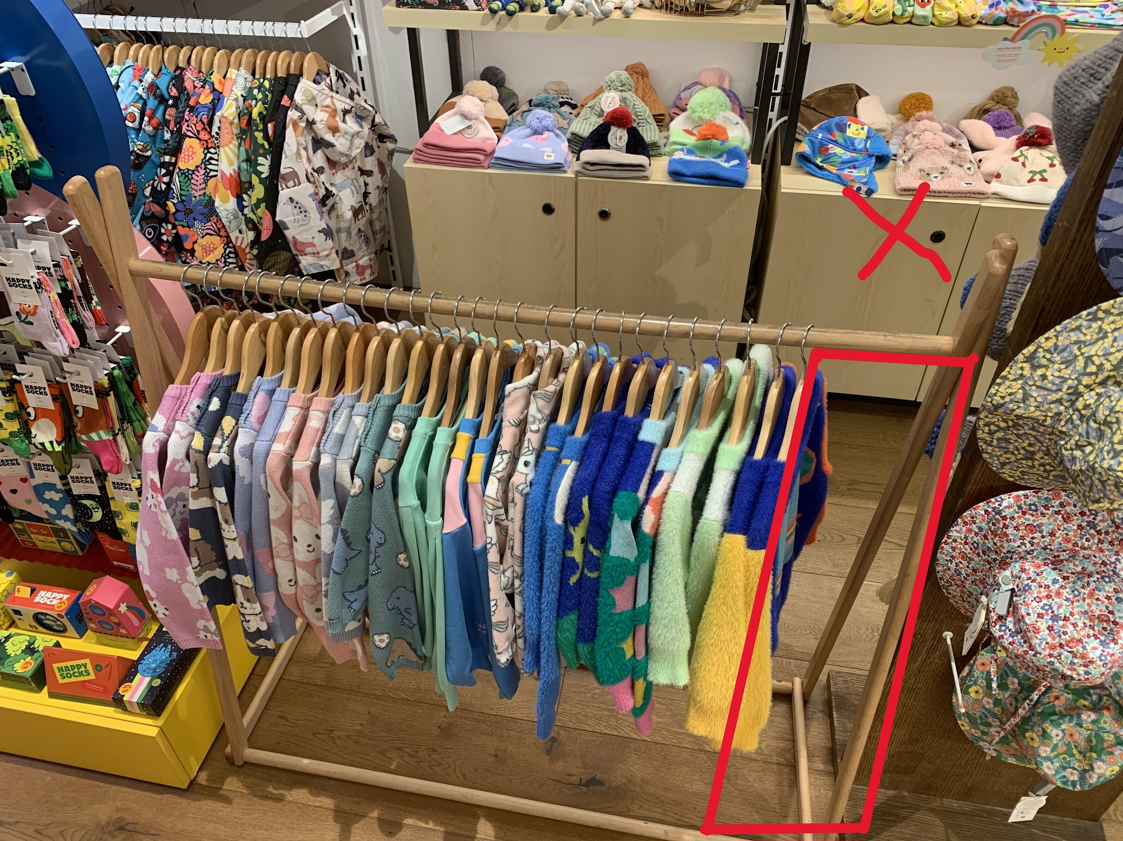 | hg | eh | lm | ap | sr
 | 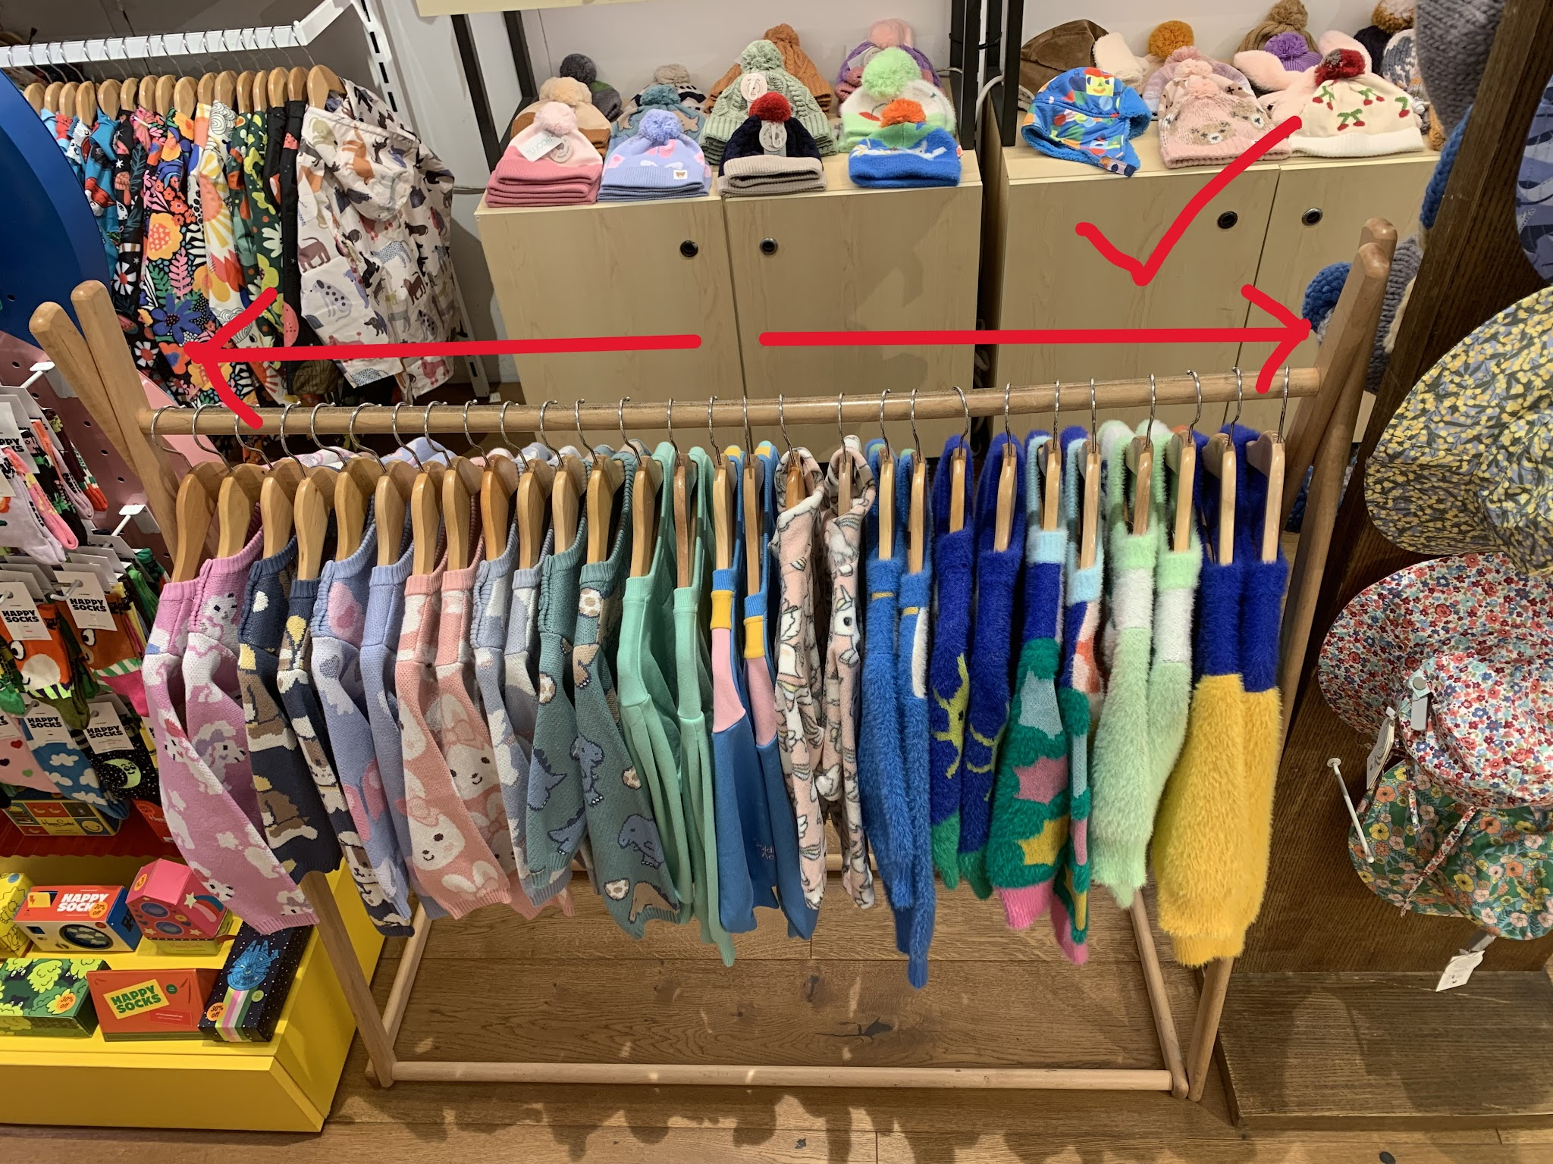 | hg | eh | lm | ap | sr

05.01.26 | Hi everyone, just another housekeeping reminder regarding security tagging apperel. Please make sure you pin the tags actually on the seam of the t-shirts with the fabric nice and smooth, as the pins make holes in the t-shirt fabric. This looks really bad when selling them to customers, I've had a couple people ask for a new tee becuase of this issue and luckily we had extras of what they wanted. It's really important to take good care of the products we are selling, so please be aware of this and pin things carefully. | hg | eh | lm | ap | sr
 | 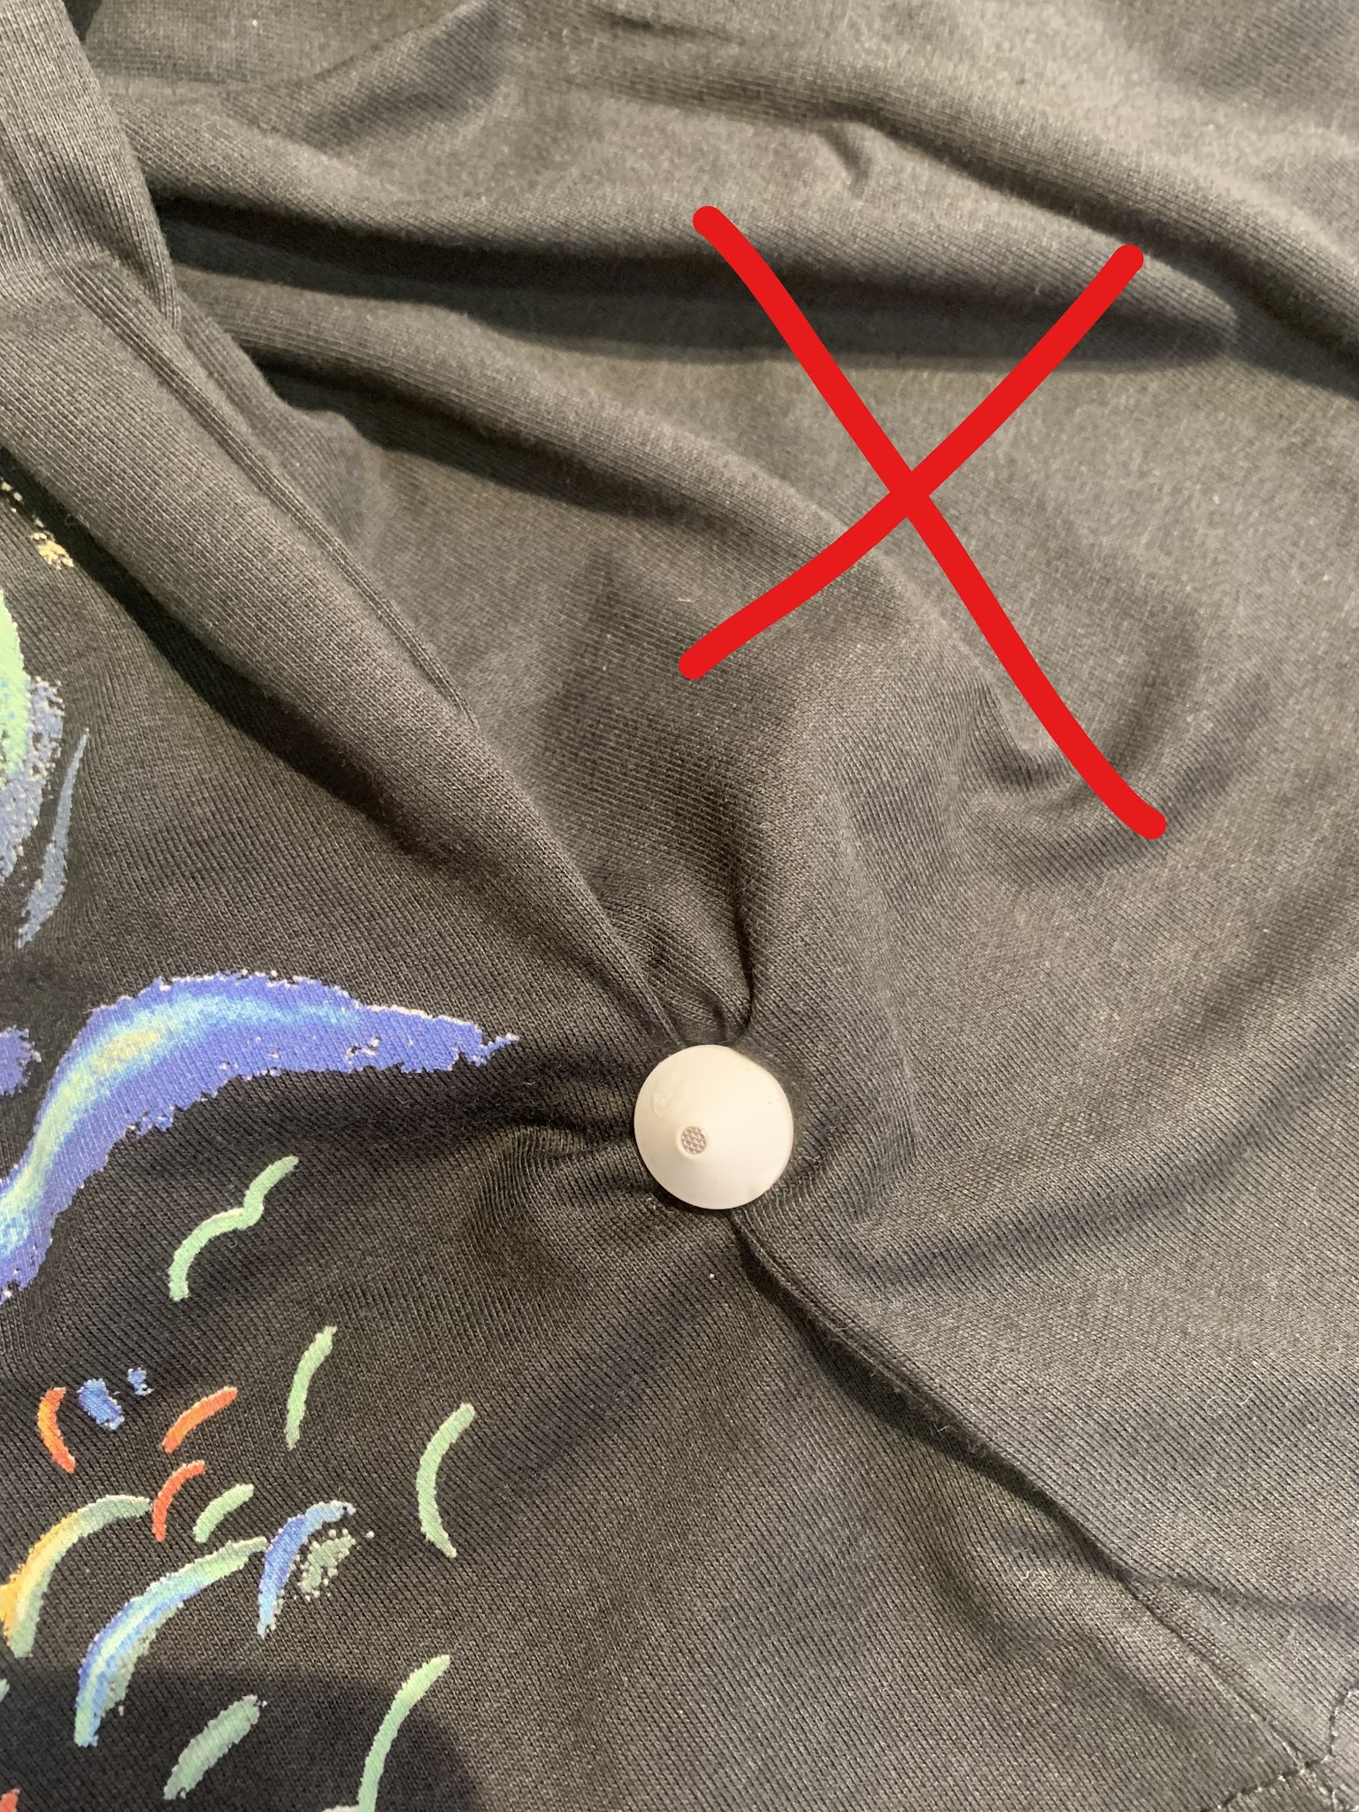 | hg | eh | lm | ap
 | In the image above the fabric is gathered and caught in the tag, causing it to scrunch and get wrinkled. It was also not placed through the seam, causing an obvious hole in the fabric. | hg | eh |  |  | sr
 | 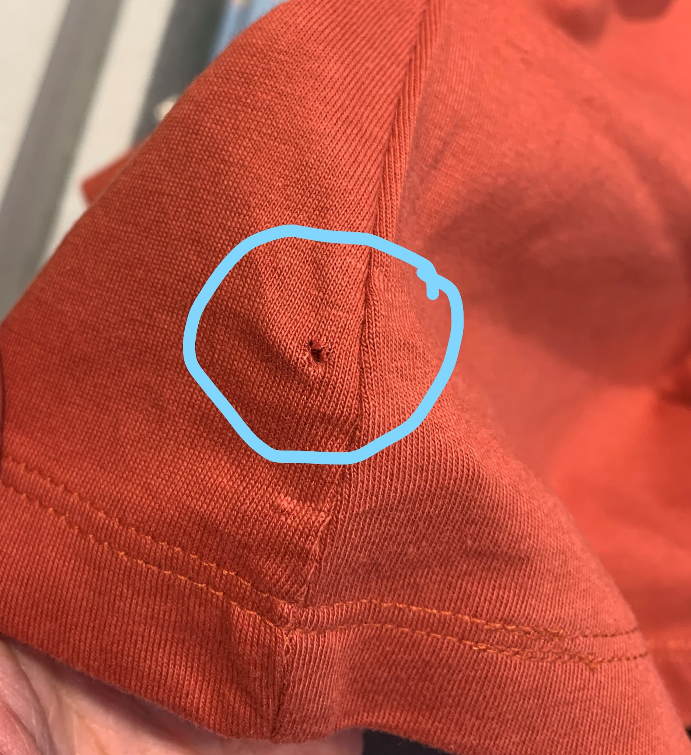 | hg | eh | lm | ap
 | Above is an example of the holes they create. They still make holes when pinned on the seam, however it is not noticable. | hg | eh |  |  | sr
 | 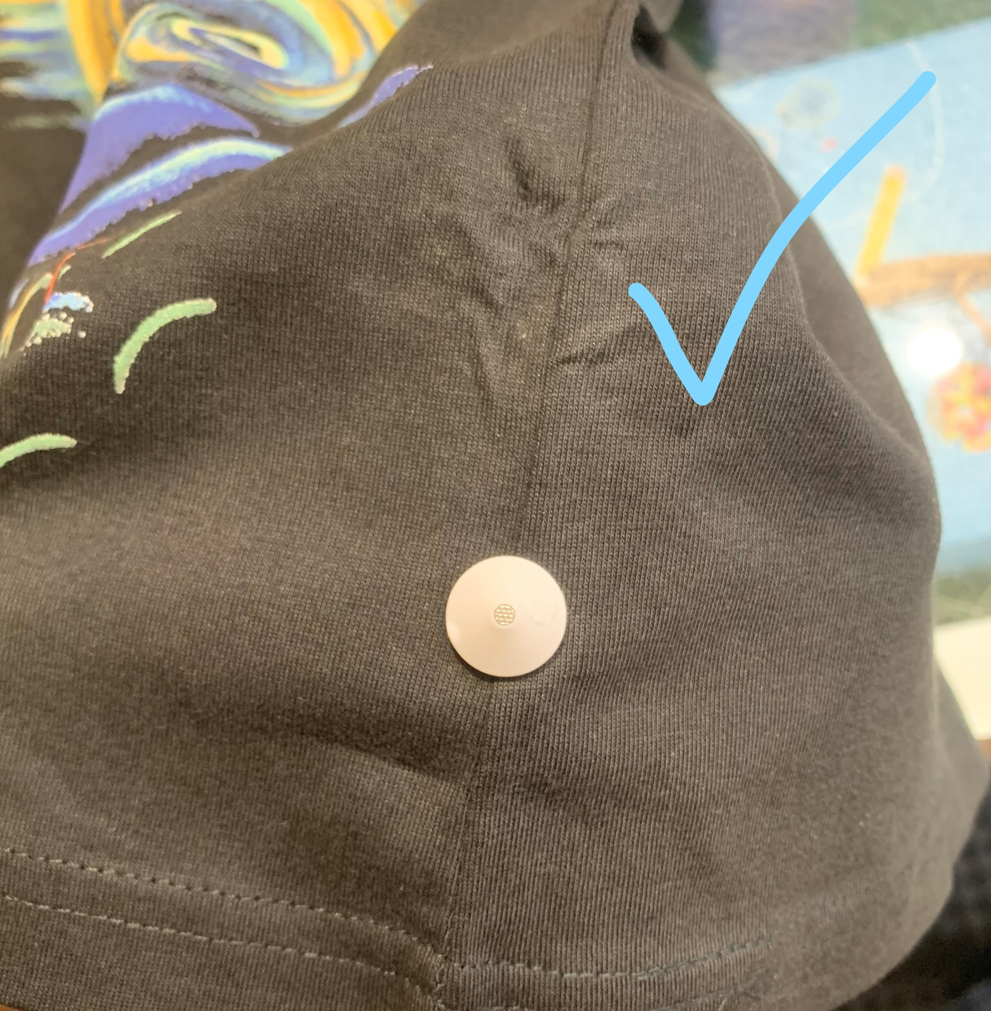 | hg | eh | lm | ap
 | Above is what it should look like when pinned correctly - fabric is smooth and the pin is through the seam. You can see further up where the fabric has been creased and wrinkled with a hole from improper pinning. | hg | eh | lm | ap | sr

16.02.26 | Hey gang! Just a reminder to please 🙏 make sure you are completing all of the cleaning procedures for close every night. This includes: - Vacuuming the whole store - including the floor underneath t-shirts and window display shelves plus change rooms. - Cleaning all glass surfaces (front desk, jewellery cabinet, front door, zeller terminal) with the glass cleaning spray and a clean paper towel to remove dust and grimy finger prints. - Tidying the displays on shelves, replenishing any missing stock and neatening t-shirts/all other apparel on the racks. There was a lot of dust and grime built up on the jewellery cabinet today and the floors had a lot of dust balls and debris around the front door and t-shirts, which is not a good look when customers come inside. It builds up quickly and gets on products making them dirty, so it's really imtportant to keep on top of it everyday. Thank you!! | hg | eh | lm | ap | sr

26.02.26 | A reminder to please do not place products with active security tags in the window displays, otherwise they will trigger and mess with the security gate. Please replace any pin tags or swing tags with the square 'dummy' tags. These ones are ok to use in the window and act as a theft deterrent. Anything with the security sticker please make sure to deactivate on the sensor before putting in the window. We've had some issues with the security gate going off randomly which we are trying to get fixed. Kaew said it seemed to be working ok after being turned off for a while, so I will be seeing how it goes again now that the windows should be clear of any triggers. | hg | eh | lm | ap | sr

 | Sorry to keep bugging you guys about this but a reminder again to please 🙏 take security tags OFF before placing products in the window displays. I keep finding things placed in there with their security tags still on. Please switch them to the square 'dummy' tags. These are stored in a labeled drawer next to the regular ones. Likewise with the security stickers - make sure to deactivate them. I just want everyone to keep this habbit up so that when the security gate is fixed, we don't have anything interfering with it. Thanks!! | hg | eh | lm | ap | sr

24.03.26 | We received a bunch of new ceramics from Lala Land but with a different label, 'Beyond'. They include the chilli, dill pickle, lobster, prawn, fox and squirrel designs in mostly dishes and mugs. They all came in brown boxes, most of them unlabeled so I've written their names on each box. These are all stored kind of spread out in the cupboards along the wall as it's a little tight for space. So again, please have a good look in all of these storage areas. Read the labels on the boxes and familiarise yourself with the location of things. Also if there's a better way to organise things you're more than welcome to give it a go! Taking initiative and helping to make the store better is always welcome!! P.S. the new ceramic tealight houses by French Country Collections have boxes and spares stored in the drawer next to the mushroom diffuser drawer :) | hg | eh | lm | ap | sr

11.04.26 | STORAGE CLEANING: Not sure which boxes I can throw away (or either other stuff), so I just moved 3 big boxes for plates to the "spare boxes" sections. I've reorganized the hangers and cleaned the area. Please let me know if further update have to be done and we'll organize from there. | hg - Looks amazing, thanks!! If you're unsure what boxes to throw away, check if they go with a product that we have in stock. All boxes usually have a label saying what product came in them. If we have the product, then keep it. If we don't anymore, either keep it as a spare box if it's a good size or throw it away. If we have the product but there are lots of boxes compared to the cin7 qty, then they are extras and can be thrown away :) | eh |  | ap | sr

17.04.26 | FYI 📢 Izipizi sunnies have gone up in price. Here are the new prices: Sun Collection D and E - $89.95 Sun collection N - $99.95 Sun collection O - $110 All Polarised glasses - $110 | hg | eh | lm | ap | sr

02.05.2026 | Hi guys, a lady came today and stole the koala charger. I confronted her about it and she denied so I sadly was not able to get it back. Ill leave a description of her so that we can be weary if she comes back: | hg - thanks so much for keeping an eye out and trying to stop this lady! | eh | lm | ap
 | Average height, dark hair (was in two buns), appearing to be caucasian, wearing large sunglasses, with many bags and tags on clothes. Pretended to put the item back so please be careful! | hg | eh | lm | ap | sr

07.05.26 | Hi everyone, we've had to remove all of the Robert Gordon X Carolyn Gavin series mugs (the ones with the cute dog portraits) as the whole batch had a defect which causes them to break and detach when exposed to hot water. Unfortunately a lot of customers have already purchased these ones from our stores and we are unable to contact them. So if anyone who bought one comes in with this issue please give them a refund. | hg | eh | lm | ap | sr

15.05.26 | Hi everyone, just thought I'd write up a little reminder of the protocol for ordering products in for customer requests: First always double check the qty's at the location you're ordering/transferring it from to make sure we have the product in stock. As you know, the Cin7 numbers aren't always correct. If ordering in from the warehouse then enter it into the 'store needs' tab in the Daily File, filling out all the necessary info and writing in the 'store notes' column that it's for a customer request. Kaew/Maria will then see this and add it to the stock delivery and transfer on either Monday or Friday. If transferring from QVB, staff at QVB need to create the transfer and add the customers details provided by you, then once created send you the transfer number for reference. It's important to note down the transfer number and as much information as possible to the 'customer request' tab so that other staff are aware and up to date. This includes: The date it was ordered Customer's name Customer's contact details (phone or email) If it's paid or unpaid for Where it's being ordered/transferred from + transfer number When the customer said they will come to collect it The general rule is we can keep items on hold for up to 1 week, however we can make exceptions and hold it for longer if a customer seems like they're definitely coming back to purchase it. | hg | eh | lm | ap | sr

27.05.26 | 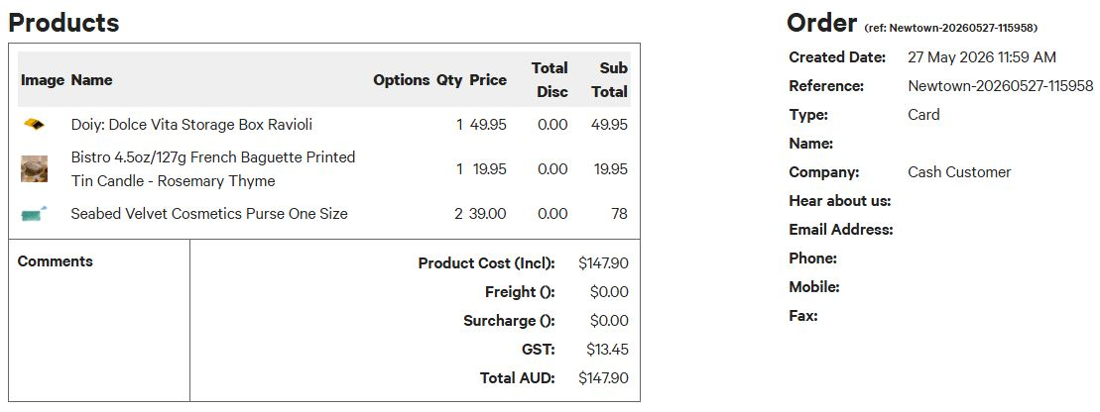 Hey guys! Today ( at 11.59 am) I wrongly scanned twice the same item to a customer. She didn't notice it, however , in case she will be back asking the refund, this is the purchase screenshot. Refund of one Seabed Velvet Cosmetics Purse $ 39 | hg - noted, thanks Stef! | eh | lm | ap | sr

09.06.26 | Hey gang! We are selling the wooden crates that we used to use for displays. These are on sale for $10 as we are trying to get rid of them. Please enter them into the system as a misc product and put $10. | hg | eh | lm | ap | sr

25.06.26 | IMPORTANT! PLEASE READ THROUGH 📢 Hey guys, we are going to be moving to a new POS system starting from July. Mark has programed this one himself, so there will be a little bit of an adjustment period and tweaking to be done as we go. Please see his email, POS Test, for more detail on how to use it. Also if you have any feedback or suggestions on how to improve it please let Mark know! It'll be a big change but will mean that we have a fully custom POS system that should make everything a lot more streamline, yay! | hg | eh | lm | ap | sr

25.06.26 | As you can see we have a new display for the music boxes! To hear the music for these ones you now have to enter in the code (3 or 4 digits), which is a sticker that's stuck to the demo's. Also if anyone asks, which they will! Haha the Wooderful life animals on bikes are for the display only and are not for sale | hg | eh | lm | ap | sr

02.07.26 | We are now operating with the new POS, Solvantis! It's bookmarked in the bookmarks bar and the pin to login for Newtown is 2222 It's similar to cin7 and should be pretty straightforward to use however, some things are a bit different. Firstly when counting the cash at EOD, you need to count and enter in ALL cash including the cash takings that have been made for the day. For stock deliveries we are no longer using the spreadsheet and instead can scan stock into a built in stock check, which is located in the drop down menu under 'receive transfers'. All you need to do is select the transfer you're wanting to receive and start scanning products in. Once all scanned, double check discrepancies and then click save. Once that's done make sure to press sync in the drop down menu on the home page and that will update everything with the new stock qty's. | hg | eh | lm |  | sr

02.07.26 | I've been doing some much needed tyding/reorganising of some areas today and shuffled some things around. There were a few emtpy cupboards in the kids area so I've moved all kids raincoats into the cupboard underneath the halcyon nights shelves. This means he storage areas out back are now all for free for storing large and bulky display equipment 👍✨ | hg | eh | lm | ap | sr

06.07.26 | Hi everyone, it looks like Mark has set up auto payments with the Zeller terminal! This means we no longer have to manually enter in the card payments!! From now on when putting through a card transaction go straight to 'charge' and click 'pay $XX via terminal'. This will bring the transaction up on Zeller automatically. It's again all very straightforward and should eliminate any chance of discrepancies 😃 | hg | eh | lm | ap | sr

07.07.26 | Hey everyone! I've noticed the wooderful life display case has been getting a lot more grubby finger and hand prints each day compared to the old one, so from now on I'd like to add wiping it down with the glass cleaning spray to the closing routine. Please remember to do so along with the usual jewellery cabinet, zeller screen, front desk and door. Thanks! | hg | eh | lm | ap | sr

09.07.26 | I've moved some things around so that the Zeller terminal is facing customers now since it's automated. Hopefully they won't get confused with the orbitkey screen anymore lol The free face masks are now in the acrylic display stand with the bookmarks. There's only a few on display so please make sure to replenish them. Extras are stored under the counter in the cavity on the bottom left. Also I've fixed the old red price gun (which is so much better quality and more sturdy than the new ones, so I'm very glad about this haha). It had a build up of dried up ink and gunk on the number stamps, which I've painstakingly cleaned off using a safety pin 😂 Also changed the ink roll and it's printing out very nicely now 👌 It currently has orange stickers in it so please use this for pricing sale items. | hg | eh | lm | ap | sr

10.07.26 | Hey guys! I really appreciate the refilling of the bubblewrap drawer 🙏 but can we please try to not make the pieces too small. These are not very useful for most of the items that need bubblewrapping, maybe the pot hangers but even then sometimes they are too small. I've moved what were medium pieces to the small section as they're a better fit for small items. | hg | eh | lm | ap | sr

15.07.26 | Hey team! We have some new jewlery on sale: the "Accessory Wood pop" ones don't have a barcode so, plase, select the "Misc Product" for them. Thank you! | hg | eh | lm | ap | sr

17.07.26 | I've discovered you can search for products by brand name in Solvantis, which is super handy! I thought you should all know that if you didn't know already haha | hg | eh | lm | ap | sr

25.07.26 | Hey Holly, this morning the computer was veeeery slow (more than ususal) to the point customers had to wait few minuts to pay. Just for the first hour or so. Is that normal? | hg - I've notcied it's been slow to load everything when first turning on in the mornings but it's usually then working fine once the register is open and I'm serving customers. Not sure if it's the computer itself causing this or if it's the new POS, will look into it with Mark. | eh | lm | ap | sr
29.07.26 | 2 wooden rack already paid will be picked up next Wednsday. A lady that comes every Wedn. with her grandchildren, she said she would come back later in the day to pick the wooden racks up but then she didn't. It is happened already, she will come back next week. ( I didn't asked her name because I thought she would come back and I would work next Wedn but I will not) | 👽 | eh | lm | 🐛 | sr

30.07.26 | Hey guys! Please know that we are not currently hiring any extra staff. Please politely decline any resumes. We may be looking to hire some Christmas casuals late August - September, however it's not certain. | 👽 | eh | lm | 🐛

01.08.26 | Hey guys! I've printed out a list of the music box names and stuck them on each of the cupboard doors (mainly for myself because i never remember where all of them are!) in case anyone has trouble finding any :) | 👽 thanks!! | eh | 💥 | 🐛

06.08.26 | Hi everyone! I've gone through and updated the Product Box Guide tab on here. So if you're unsure of what has a box or where the box is located, please refer to that. I've also numbered the main cupboards along the wall so that it's easier to refer to. The numbers are stuck on the bottom of each cupboard door. Hope this makes things a bit easier to locate :) | 👽 | eh | 💥 | 🐛

17.08.26 | Forgot to mention this last week - all new robert gordon products come in a box. So that includes the butter dishes, floral glasses and ceramic keep cups. Their boxes are located in cupboards 5 and 6. The box guide has been updated 👍 | 👽 |  | 💥 | 🐛

PRODUCT BOX GUIDE 📦
 | Which things come with a box? 🤔 | Scroll down the list to see more brands ⬇ | Updated: 17.08.26 Staff: hg
SKU: | PRODUCT NAME: | IMAGE: | BOX LOCATION:
BRAND: | URBAN PRODUCTS
UG136297 | Cow Planter Sand Black Med 14cm | 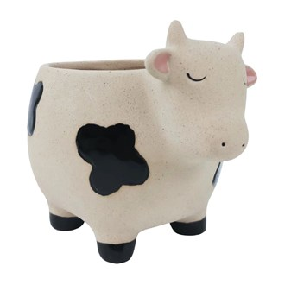 | Under jewellery cabinet (t-shirts side)
UG164137 | Strawberry Cat Small Planter Red 9cm | 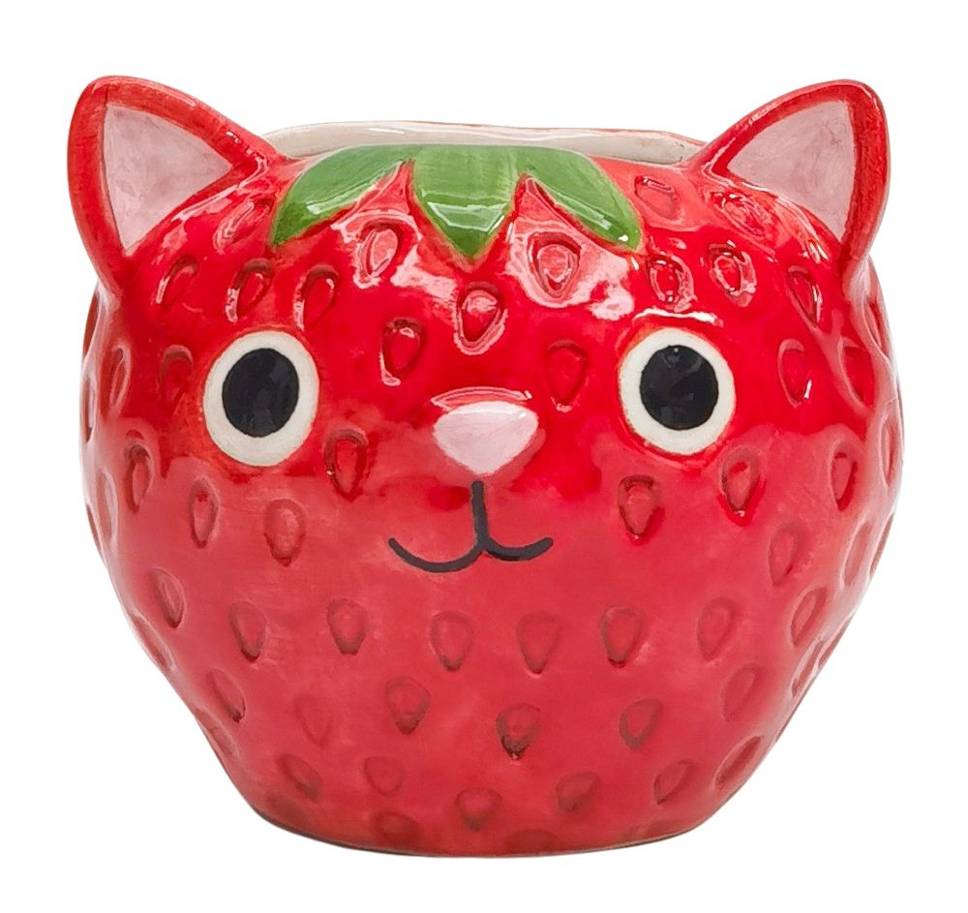 | Under jewellery cabinet (t-shirts side)
UG164147 | Banana Dog Vase Brown & Yellow 17cm | 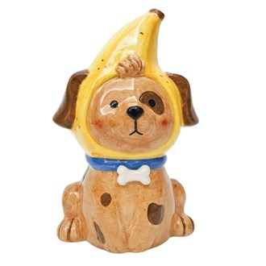 | Under jewellery cabinet (t-shirts side)
UG136354 | Kangaroo Vase Grey 23cm | 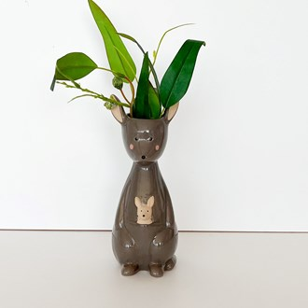 | Under jewellery cabinet (t-shirts side)
UG129617 | Capybara Family Stack Vase Brown 25cm | 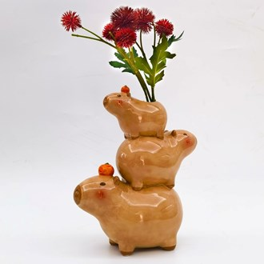 | Under jewellery cabinet (t-shirts side)
UG164178 | Cappy Cat Vase Grey 12cm | 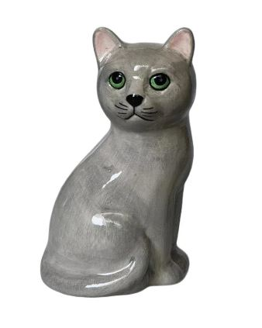 | Under jewellery cabinet (Shelf side)
UH210036 | Capybara Salt & Pepper Shakers Brown 9cm | 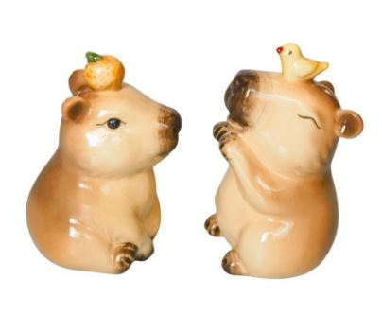 | Cupboard No. 6
UH102986 | Dog Salt & Pepper Shakers Brown & Sage 6 | 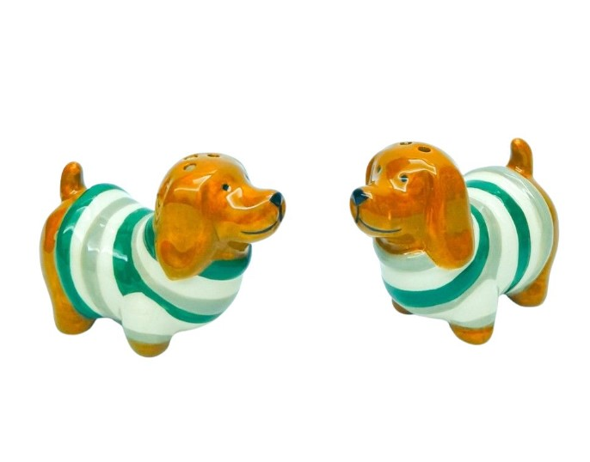 | Cupboard No. 6
UH177037 | Strawberry Salt & Pepper Red 6cm | 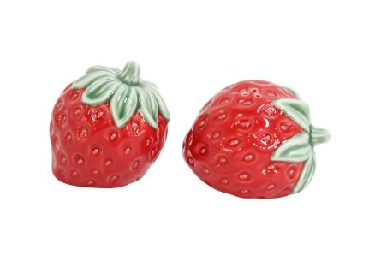 | Cupboard No. 6
UH177035 | Strawberry Teapot Red 15cm | 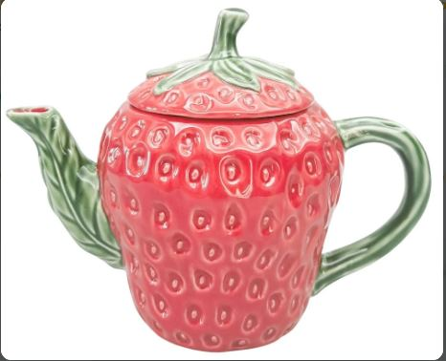 | Cupboad No. 2
UH177034 | Strawberry Platter Green 32x24cm | 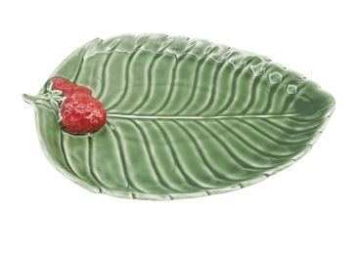 | Box missing
UH177054 | Snail Leaf Dish Green 28cm |  | Cupboard No. 6
UG164186 | Berry Preserve Planter Purple 14cm | 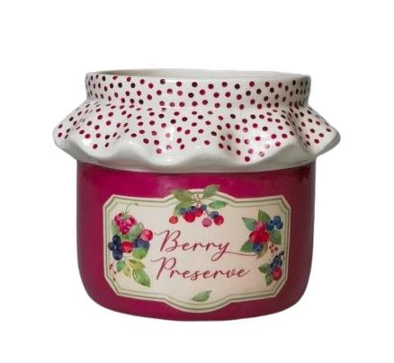 | Under jewellery cabinet (t-shirts side)
UH206261 | Bow Vase Pink 11cm |  | Under jewellery cabinet (t-shirts side)
UH206262 | Bow Vase Red 11cm | 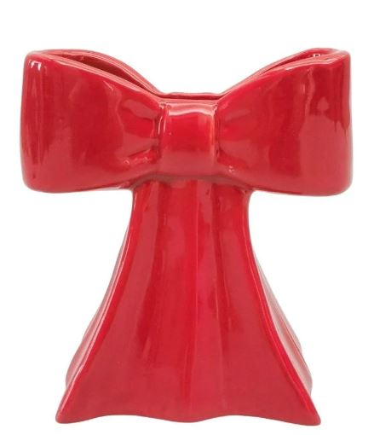 | Under jewellery cabinet (t-shirts side)
UH210034 | Croissant Bag Vase Pink & Brown 18cm | 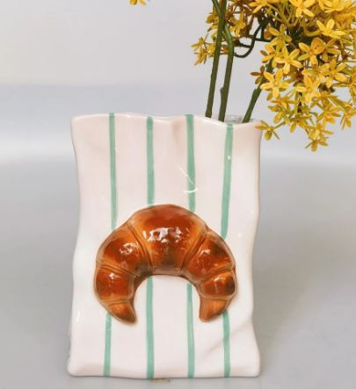 | Under jewellery cabinet (t-shirts side)
UH210033 | Croissant Jug Pink & Brown 18cm | 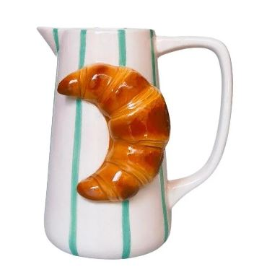 | Under jewellery cabinet (t-shirts side)
UH210032 | Croissant Mug Pink & Brown 10cm |  | Cupboard No. 2
UH210035 | Croissant Salt & Pepper Shakers Brown 9c | 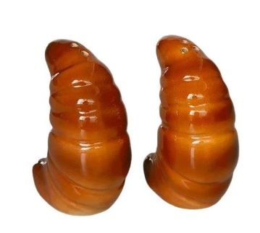 | Cupbaord No. 6
UH210031 | Croissant Trinket Brown 11cm | 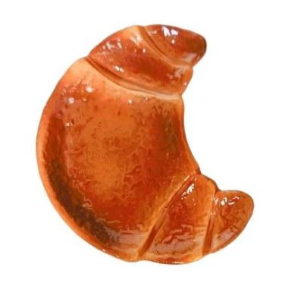 | Cupbaord No. 6
UG164168 | Family of Turtle Planter Green 11cm | 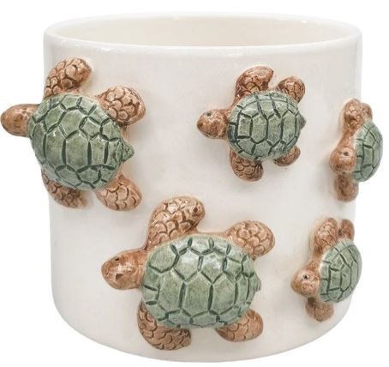 | Under jewellery cabinet (t-shirts side)
UG164167 | School of Fish Planter Blue 11cm | 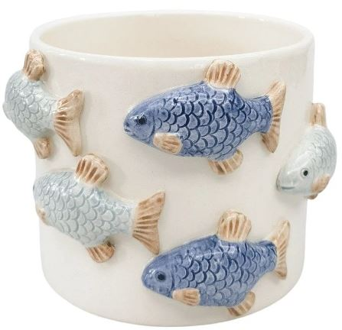 | Under jewellery cabinet (t-shirts side)
UG164152 | Jungle Planter Beige & Green 15cm | 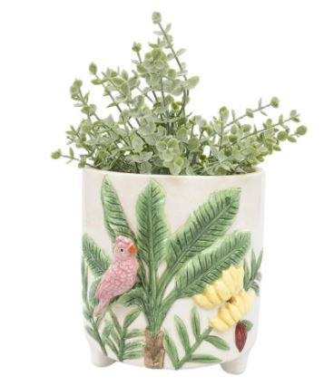 | Under jewellery cabinet (t-shirts side)
UH136376 | Koala Handstand Salt & Pepper Shakers Gr | 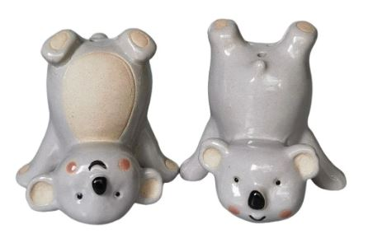 | Cupbaord No. 6
UG136352 | Koala Head Planter Grey 14cm | 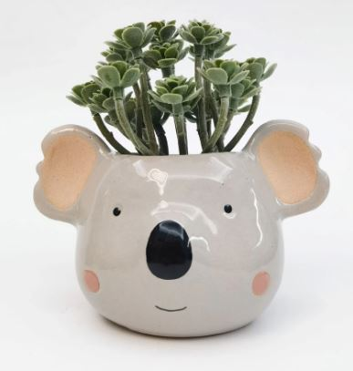 | Under jewellery cabinet (t-shirts side)
UH173292 | Madagascar Vase Pink 17cm | 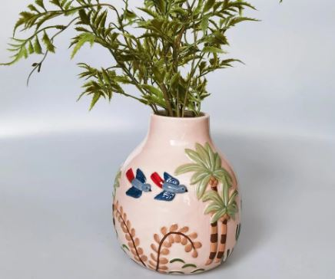 | Under jewellery cabinet (t-shirts side)
UH173293 | Madagascar Vase Pink 21cm | 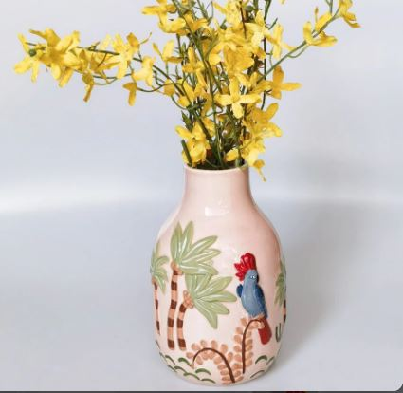 | Under jewellery cabinet (t-shirts side)
UH173290 | Madagascar Vase Yellow 17cm |  | Under jewellery cabinet (t-shirts side)
UH173291 | Madagascar Vase Yellow 21cm | 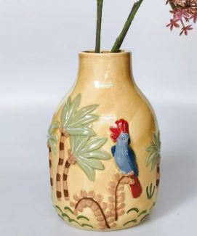 | Under jewellery cabinet (t-shirts side)
UH136381 | Galah Handstand Planter Pink 17cm | 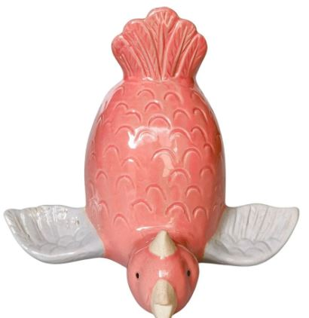 | Under jewellery cabinet (t-shirts side)
UH136380 | Oz Birds Handstand Salt & Pepper Shaker | 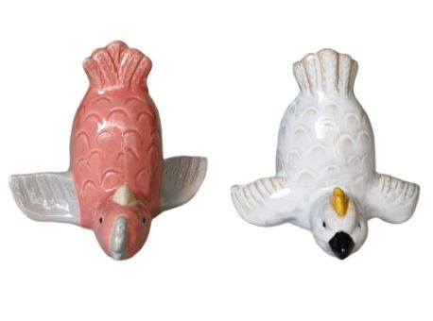 | Cupbaord No. 6
UH202034 | Pasta Cucina Vessel White 14cm | 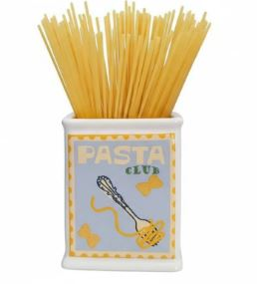 | Under jewellery cabinet (t-shirts side)
UH167214 | Perdy Parrot Candle Stick Pink 15 cm |  | Cupboard No. 2
UH167217 | Perdy Parrot Jug Pink 13cm | 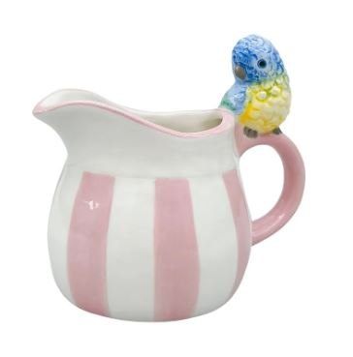 | Cupboard No. 2
UH167213 | Perdy Parrot Salt & Pepper Yellow & Purp | 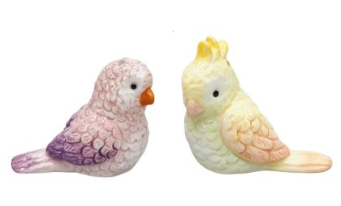 | Cupbaord No. 6
UH167216 | Perdy Parrot Tea Cup & Saucer Pink & Pea | 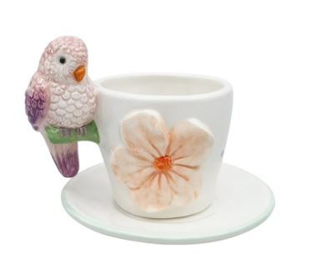 | Cupboard No. 2
UG164163 | Perdy Parrot Planter Blue 13cm | 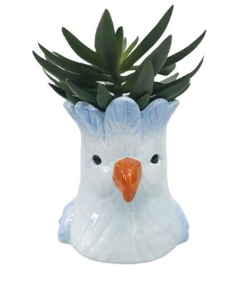 | Under jewellery cabinet (t-shirts side)
UG164166 | Perdy Parrot Planter Pink 13cm | 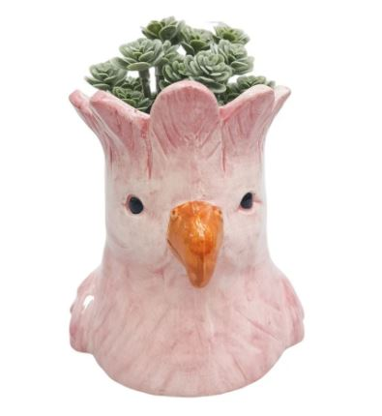 | Under jewellery cabinet (t-shirts side)
UG164164 | Perdy Parrot Planter Yellow 13cm | 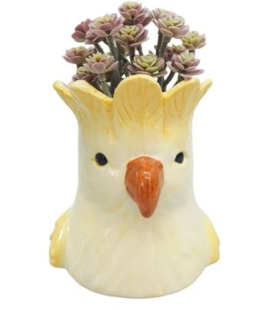 | Under jewellery cabinet (t-shirts side)
UH167227 | Poppy Tea Cup Pink 9cm | 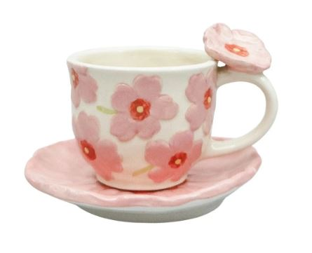 | Cupboard No. 2
UH103423 | Reef Fish Ornament White & Green 16cm | 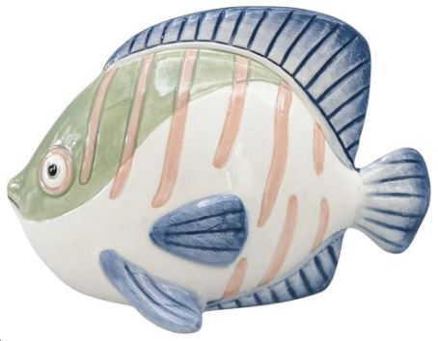 | Cupboard No. 4
UH103422 | Reef Fish Trinket Dish White & Green 25c | 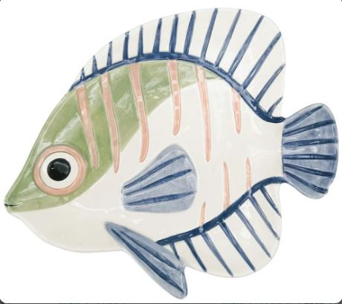 | Cupboard No. 4
UH103424 | Reef Seahorse Vase Pink 18cm | 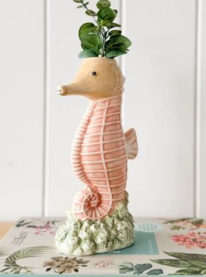 | Under jewellery cabinet (t-shirts side)
UH103429 | Reef Whale Planter Blue 13cm | 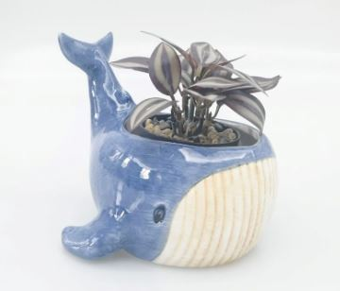 | Under jewellery cabinet (t-shirts side)
UH103431 | Reef Whale Vase Blue 22cm | 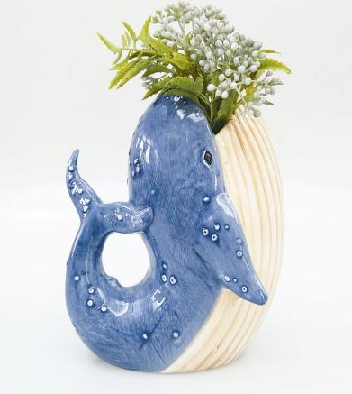 | Under jewellery cabinet (t-shirts side)
UG164170 | Sardines Can Planter Pink 12cm | 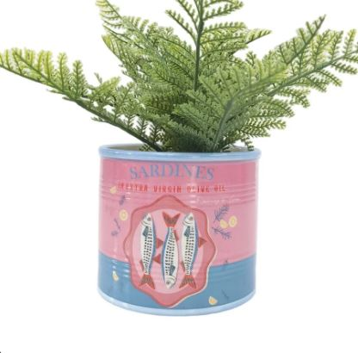 | Under jewellery cabinet (t-shirts side)
UG164177 | Cocktail Olives Can Planter Blue 10cm | 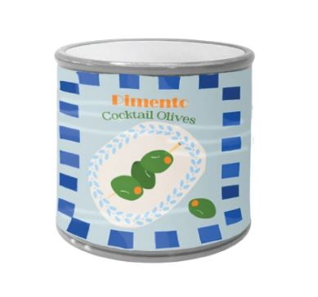 | Under jewellery cabinet (t-shirts side)
UH177073 | Tomato S&P Shakers Red 5cm | 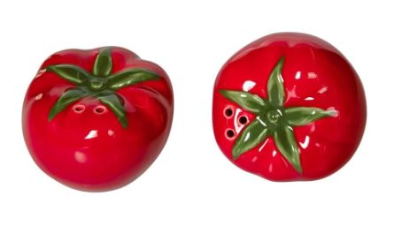 | Cupbaord No. 6
UH177075 | Trio of Tomato Vase Red 23 cm |  | Under jewellery cabinet (t-shirts side)
UH195225 | Bailey Cat Planter Orange 14cm |  | Under jewellery cabinet (Shelf side)
UH195223 | Bailey Cat Planter Blue 14cm |  | Under jewellery cabinet (Shelf side)
UH195224 | Bailey Cat Planter Black & White 14cm |  | Under jewellery cabinet (Shelf side)
UG164143 | Cherry Bow Planter Pink & Red 14cm |  | Under jewellery cabinet (t-shirts side)
UG136353 | Wombat Planter Grey 16cm |  | sold out
UG129608 | Strawberry Mug Red 10cm |  | sold out
UG129615 | Capybara Mug Brown 13cm |  | sold out
UG129616 | Capybara Planter Brown Sm 12cm |  | sold out
UG136296 | Cow Planter Sand Black Sm 10cm |  | Sold out
UG136172 | Frog Planter Green Lg 16cm |  | Sold out
UG164134 | Tropicana Cat Pineapple Vase Orange |  | sold out
UG164135 | Tropicana Cat Lemon Planter Yellow 9cm |  | Sold out
UH202006 | OZ Icon Vessel Black & Yellow 12cm |  | Sold out
UH202007 | OZ Icon Salt & Pepper Shakers Black & Yellow |  | Sold out
BRAND: | JONES & CO
QV878 | PITCHER BLUE BLOOM |  | Cupboard No. 1
QV877 | PITCHER PINK BLOOM |  | Cupboard No. 1
QV737 | DITSY PLATTER PINK |  | Cupboard No. 1
TW453 | Hibo Planter Blue |  | Cupboard No. 1
BRAND: | ROBERT GORDON
602220 | MUG SINGLE - Sage & Blush Check Mug / Cat's Pyjamas |  | Cupboard No. 5
602202 | MUG SINGLE - Soft Terracotta Check Mug / Cat's Pyjamas |  | Cupboard No. 5
602204 | MUG SINGLE - Duck Egg Check Mug / Cat's Pyjamas |  | Cupboard No. 5
602240 | Mug Single - Denim Cat's Pyjamas |  | Cupboard No. 5
602200 | Mug Single - Neon Cat's Pyjamas |  | Cupboard No. 5
602299 | Mug Single - Felicity Cat's Pyjamas |  | Cupboard No. 5
409003 | LARGE MUG - WILD STRAWBERRIES x MONIKA FORSBERG |  | Cupboard No. 5
612118 | Billy Button - Large Favourite Thing Mug |  | Cupboard No. 6
612117 | Dachshund Warm - Large Favourite Thing Mug |  | Cupboard No. 6 (sold out)
612119 | Spotted Hen - Large Favourite Thing Mug |  | Cupboard No. 6
602695 | Large Handle Mug - Barbara Flower Garden |  | Cupboard No. 5
9318484049677 | Large Handle Mug - Stevie Flower Garden |  | Cupboard No. 5
602698 | Large Handle Mug - June Flower Garden |  | Cupboard No. 5
612288 | Mug -Frankie Tapestry |  | Cupboard No. 6
612200 | Mug - Alfie Tapestry |  | Cupboard No. 6
528284 | Plate 18Cm Fan Flower - June'S Daisy |  | Cupboard No. 5
528246 | Plate 18Cm Geo - June'S Daisy |  | Cupboard No. 5
528282 | Plate 18Cm Spinning Flower - June'S Daisy |  | Cupboard No. 5
513394 | BUTTER DISH - COW BUTTER UP |  | Cupboard No. 5
513391 | BUTTER DISH - DACHSHUND BUTTER UP |  | Cupboard No. 5
513390 | BUTTER DISH - DUCK BUTTER UP |  | Cupboard No. 5
513393 | BUTTER DISH - RABBIT BUTTER UP |  | Cupboard No. 5
513392 | BUTTER DISH - CHOOK BUTTER UP |  | Cupboard No. 5
670504 | GLASS TUMBLER - BLUE BELL BOTANICAL ICONS |  | Cupboard No. 5
670587 | GLASS TUMBLER - FLANNEL FLOWER BOTANICAL ICONS |  | Cupboard No. 5
670568 | GLASS TUMBLER - WAX FLOWER BOTANICAL ICONS |  | Cupboard No. 5
421688 | TRAVEL CUP 350ml GREEN DIPPED w/BAND - THE WANDERER |  | Cupboard No. 6
421610 | TRAVEL CUP 350ml SPECKLED DIP w/BAND - THE WANDERER |  | Cupboard No. 6
408002 | OVERSIZED MUG - MABEL RGA x EMOGENS CHICKENS |  | sold out
408001 | OVERSIZED MUG - BABY RGA x EMOGENS CHICKENS |  | sold out
408104 | Hug Mug - Baby / RGA X Emogen Clark |  | sold out
408103 | Hug Mug - Jen / RGA X Emogen Clark |  | sold out
602288 | MUG SINGLE - Olive Stripe Mug / Cat's Pyjamas |  | sold out
602268 | MUG SINGLE - Blush & Grey Check Mug / Cat's Pyjamas |  | sold out
BRAND: | LALA LAND
2DS3-DL01 | Retro Folk Stoneware Foxy Dish |  | Cupboard No. 4
2DS3-DL02 | Retro Folk Stoneware Nutty Dish |  | Cupboard No. 4
2VS2-DL01 | Retro Folk Stoneware Foxy Vase |  | Cupboard No. 3
2MG3-DL01 | Retro Folk Stoneware Hand Painted Mug |  | Cupboard No. 4
2MG1-DL01 | Seaview Stoneware Asparagus Mug |  | Cupboard No. 4
2DS5-DL01 | Seaview Stoneware Big Dill Dish |  | Cupboard No. 4
2DS1-DL01 | Seaview Stoneware Dill Small Dish |  | Cupboard No. 3
2DS2-DL01 | Seaview Stoneware Hot Chilli Dish |  | Cupboard No. 3
2MG2-DL01 | Seaview Stoneware Hot Chilli Mug |  | Cupboard No. 4
2PO2-DL01 | Seaview Stoneware Prawn Canister |  | Cupboard No. 3
BRAND: | &K
KEL-2797-39 | KLEVERING-Plate fish trigger |  | Cupboard No. 3
BRAND: | BLOOMINGVILLE
82060864 | Bloomingville: Trudy Candle Holder, Blur, Stoneware |  | Cupboard No. 2
82060484 | Bloomingville: Addy Cup, Green, Stoneware |  | Cupboard No. 2
82060483 | Bloomingville: Addy Cup, Nature, Stoneware |  | Cupboard No. 2
82060485 | Bloomingville: Addy Cup, Brown, Stoneware |  | sold out
82057557 | Bloomingville: Nini Cup Rose Stoneware |  | sold out
BRAND: | CARLA DINNAGE CERAMICS
FOXTRINKETGREEN | Foxy Flower Green Trinket Bowl |  | Cupboard No. 1
BRAND: | CERAMIC-AI

